Instructions
Instructions on how to setup the travel voucher template.
Special Note: Since this template only uses report manager to get address, all address not in report manager will not work. So meeting places, unlicensed salon/shops will not appear in this template. Also if a new license is registered after you download from Report Manager, the location will not appear in this template. Vice versa, if a license is removed from report manager, and it will not appear in this template.

Step 1: | Go to by clicking on the link below or wherever you save report manager shortcut.
 | Shortcut: | Report Manager

Step 2: | Select Options as seen below:

Step 3: | Once file is ready to be save. Be sure to save file as .CSV.
 | Macro will not work if its not saved as a CSV file.
 | You can name the file however you like.
 | Remember where you save the file.

Step 3: | Go to 'Input' Sheet And Click on the 'Import Inspection List' button
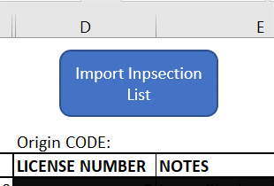

Step 4: | A Msgbox will open. Find the csv file. Select and click Open
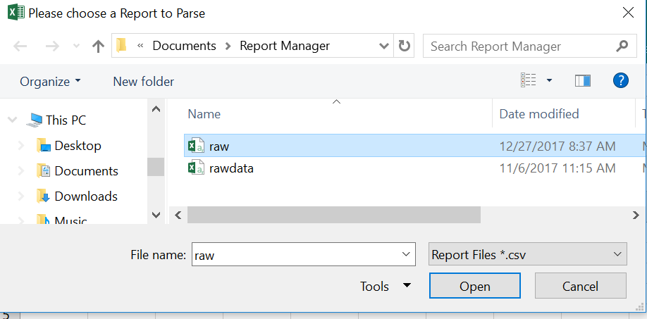

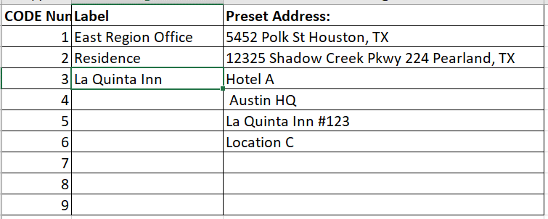

Step 5: | Wait for the macro to run. A message box will popup letting you know when it completes.

Instructions on how to use the template

A
Note: Page 1 in the travel voucher has a different format. So please used the corresponding Column S-AF.
Step 1: | A | The Origin CODE is used to change row 0 in section C: the starting destination
 |  | Based on the number in section A, template will look at the Origin Code sheet and update based on preset address
 |  | You can update the Origin Code tab to which address you like

E
B
C
D
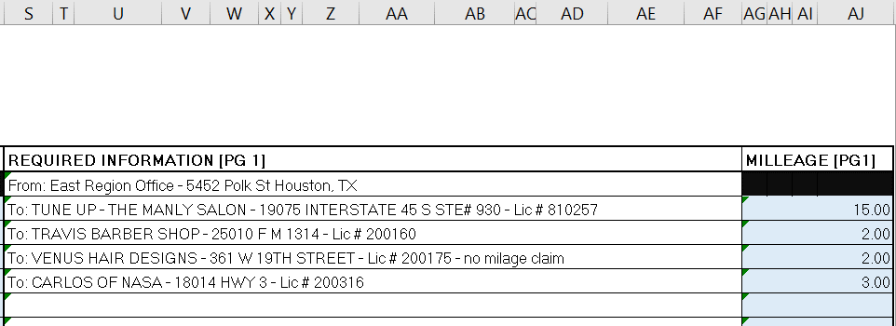

Step 2: | B | If you want to use a physical address instead of a license number, type "Y"
 | C | Type in the TDLR license number or physical address
 |  | The more specific the address the better google maps can find the location.
 |  | I recommend using adding "TX" at the end of the address to ensure its not using another states address
 | D | Add any notes you want, example: 'no milage claim', 'attempted inspections', ' Residence' etc
 | E | Everything will autopopulate in the REQUIRED INFORMATION column.

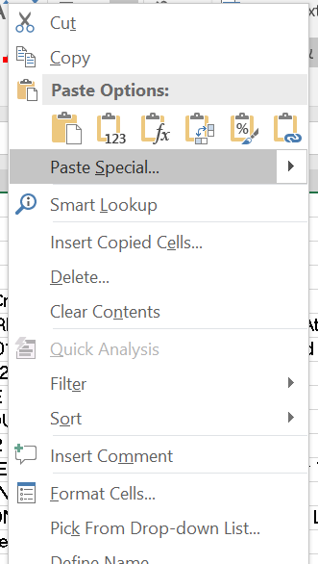

Step 3: | After finishing typing in all the license. Copy section D column
 | Go to the Travel Voucher: Right Click on the row you want to paste
 | Click on icon to paste the values.

 | Do not just copy and paste normally or CTRL C + CTRL V.
 | It will not work and will only paste the formula
 | Be sure you're pasting in the correct page.
 | If you've copied the template for page 1, paste for page 1
 | If you've copied the template for page 2-9, paste for page 2-9

Input
Import Inpsection List

 |  | Origin CODE: | 2
# | Use Address? | LICENSE NUMBER OR ADDRESS | NOTES | REQUIRED INFORMATION [PG 2-10] | MILLEAGE [PG2-10] | REQUIRED INFORMATION [PG 1] | MILLEAGE [PG1]
0 |  | 3 | Leave Blank | From: Residence - 123 Main st. Houston, TX |  | Residence
1 | x | 8560 HIGHWAY 6 N HOUSTON, TX |  | To: 8560 HIGHWAY 6 N HOUSTON, TX | 22.93 | To: 8560 HIGHWAY 6 N HOUSTON, TX | 22.93
2 | x | 802 TEXAS PARKWAY SUITE D HOUSTON TX |  | To: 8560 HIGHWAY 6 N HOUSTON, TX | 25.83 | To: 8560 HIGHWAY 6 N HOUSTON, TX | 25.83
3 | x | 4046 BELLAIRE BLVD |  | To: 8560 HIGHWAY 6 N HOUSTON, TX | 10.51 | To: 8560 HIGHWAY 6 N HOUSTON, TX | 10.51
4 | x | 8560 HIGHWAY 6 N HOUSTON, TX |  | To: 8560 HIGHWAY 6 N HOUSTON, TX | 22.23 | To: 8560 HIGHWAY 6 N HOUSTON, TX | 22.23
5
6
7
8
9
10
11
12
13
14
15
16
17
18
19
20

